PH-UY 2131 Exp 5 Raw Data
Instructions
Open your raw data file using Notepad => in Edit menu, choose Select All (Ctrl+A) and then Copy (Ctrl+C) => Select cell A1 of this tab => Paste (Ctrl+V). The template should now be filled with calculated values.
IMPORTANT: it is assumed that your raw data file has two lines for the participants - if you have only one or three student names in the file, add or delete a line in your raw data file to have two lines for participant names.
Saved copy

Gary Wu
Vishram Doodnauth

Diffraction and Interference of Light
Station #5
Wednesday, July 30, 2025
15:43:00

Part A: Diffraction and Interference

Laser wavelength (as indicated by the manufacturer), nm | 650 | Wavelength uncertainty, nm | 1

Single slit
Slide to screen distance | 1000 | mm | Estimated uncertainty | 2 | mm
Pattern | B
Slit width | 0.04 | mm | Width uncertainty | 0.001 | mm
 | yn, mm | Estimated uncertainty, mm
n=-3 | -46.24 | 2
n=-2 | -30.06 | 2
n=-1 | -14.6 | 2
n=1 | 15.24 | 2
n=2 | 31.5 | 2
n=3 | 46.49 | 2

Thin wire
Slide to screen distance | 1000 | mm | Estimated uncertainty | 2 | mm
 | yn, mm | Estimated uncertainty, mm
n=-3 | -15.7 | 2
n=-2 | -10.07 | 2
n=-1 | -5.31 | 2
n=1 | 5.92 | 2
n=2 | 11.79 | 2
n=3 | 16.96 | 2

Double slit
Slide to screen distance | 1000 | mm | Estimated uncertainty | 2 | mm
Pattern | A
Slit width | 0.25 | mm | Width uncertainty | 0.001 | mm | Slit space | 0.04 | mm
 | yn, mm | Estimated uncertainty, mm
n=-4 | -10.77 | 1
n=-3 | -8.15 | 1
n=-2 | -5.92 | 1
n=-1 | -3.84 | 1
n=1 | 3.18 | 1
n=2 | 5.35 | 1
n=3 | 8.48 | 1
n=4 | 10.84 | 1

Part B: Diffraction and Interference

Distance from the meter stick to the grating | 30 | mm
Uncertainty | 3 | mm
Number of lines per mm for the diffraction grating | 600

Helium
 | Distance to the left, mm | Estimated uncertainty, mm | Distance to the right, mm | Estimated uncertainty, mm
Cyan (501.4 nm) | 9.75 | 0.5 | 9.75 | 0.5
Yellow (587.5 nm) | 11.5 | 1 | 11.5 | 1
Magenta (667.8 nm) | 14 | 1.5 | 14 | 1.5

Hydrogen
 | Distance to the left, mm | Estimated uncertainty, mm | Distance to the right, mm | Estimated uncertainty, mm
Red (656.3 nm) | 13.75 | 1 | 13.75 | 1
Green-Blue (486.1 nm) | 10 | 2.5 | 10 | 2.5
Violet (410 nm) | 8.5 | 1 | 8.5 | 1

Report
 | PH-UY 2131 | Exp 5 | Diffraction and Interference of Light |  |  |  | Gary Wu |  |  | Please see the comments on Overall Feedback box of Lab report 5 assingment.
 | Total Grade | 81 | of 85 |  |  |  | Vishram Doodnauth

 | Objectives |  | 8 | of 10 points
 | State the objectives of the experiment. Use your own words and briefly explain the objectives as you understand them.
 | This experiment is split into multiple parts, each having its own objectives attached to it. For part A-1, we want to determine the wavelength of a laser using the diffraction pattern which is produced by a single slit. For part A-2, we want to ultimately measure the diameter of a thin wire by analyzing its diffraction pattern and its respective uncertainty. For part A-3, we are to find the slit spacing using the double slit by observing the interference pattern. For part B, we are using a diffraction grating to analyze the emission spectra of helium and hydrogen gas lamps. For part B, we want determine the grating spacing, diffraction constants, and confirm wavelengths for the specific colours. In all, this experiment wants us to learn about how light behaves as a wave through diffraction and interference. These are the objectives for this experiment. |  |  |  |  |  |  |  |  | 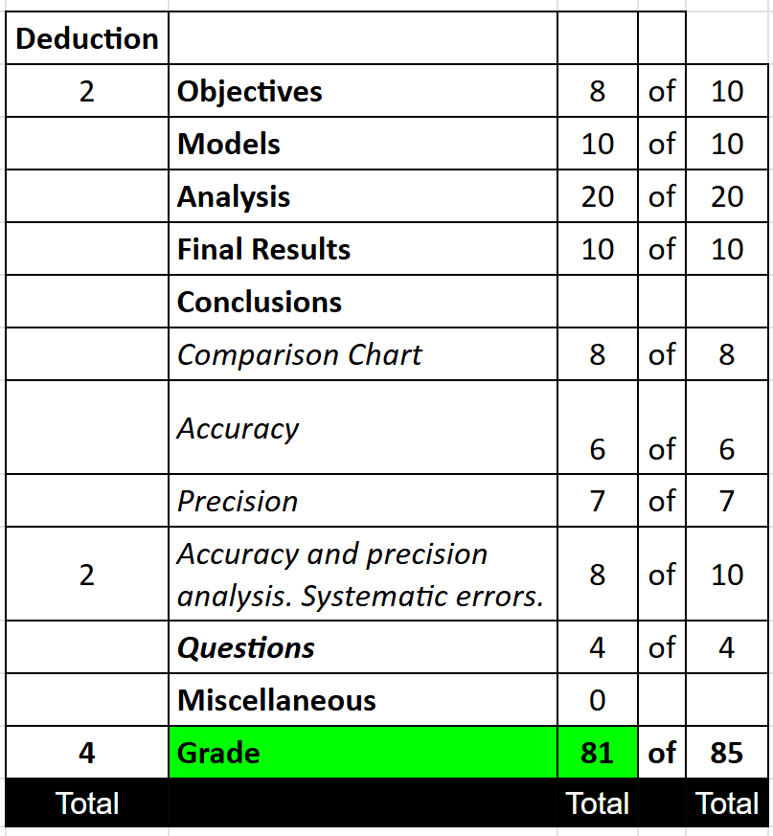
 | Model |  | 10 | of 10 points
 | The model for the experiment is a mathematical representation of a system of ideas that lead to achieving the objectives. It is not a procedure for the experiment. It should include important steps in achieving the objectives along with required formulas. State what you measured and show how the model provided you the means to find the objectives. Instead of showing formulas, you may indicate formula numbers in the manual or row numbers in the template that contain formulas you need.
 | The model for this experiment includes a laser pointer which points through a slide, which will be independent for each part, and goes through hitting a screen at an angle theta. The screen will be changed to lamps during part B. On the screen, we will note the dark fringes and measure them respectively in part A. This setup will help achieve the main objectives in each part of this experiment as it serves as our mathematical representation of a system of ideas. Essentially, to find our equation characters in part A-1, we will use diffraction minima to find lambda, w for part A-2, and we will use interference maxima to find d in part A-3. We will also find lambda for our diffraction grating. The model for part A-1 is essentially observing a light pass through a single slit and this will produce a diffraction pattern on the end board with dark fringes. These dark fringes are said to be our minima. This part uses the overall model and uses the single slit frame for the light to pass through. The measurements made in part A-1 to help achieve our main goal of finding the wavelength of the laser were the slit width, represented by a, distance from the slit to the screen, represented by L, and the position of minima, represented by y_subn where n includes all integers from -3 to 3 excluding 0. The main formula used in this part is lambda = (a x y_n) / (n x L). This formula can be found in the lab manual, equation (5-2) rearranged. We are said to compute lambda multiple times for multiple minima. This formula can also be derived from cell block E64 in the analysis section of this report. The slope value for this part's respective graph represents the relationship between y_n and the n value. y_n here represents the positions of diffraction minima. This slope, m_A1, tells us the value when lambda is multiplied by L and divided by a which, when plugged into the equation, can give us the wavelength of our light. The model for part A-2 includes a thin wire of diameter, w, whe

 | Analysis |  | 20 | of 20 points

 | Part A: Diffraction and Interference

 | Initial data(Part A1: Single slit)

$Slit width, a$ =
Δ$a$ =
 |  | Diffraction Order | Position of the minimum on screen | Uncertainty in position
 |  | n | yn, m | ∆ yn, m |  |  | 0.00004 | m
 |  | -3 | -0.04624 | 0.002 |  |  | 0.000001 | m
$Slide to screen, distance, LA1=$
 |  | -2 | -0.03006 | 0.002
 |  | -1 | -0.0146 | 0.002 |  |  | 1 | m
$L_{A1}=$
 |  | 1 | 0.01524 | 0.002 |  |  | 0.002 | m
 |  | 2 | 0.0315 | 0.002
 |  | 3 | 0.04649 | 0.002

 | Best Estimate Values (Part A1: Single slit)
 | The plot is the dependence of positions of diffraction minima on the diffraction order number. Place a best-fit line and its equation on the plot. Based on the model for Part A1, decide whether a best-fit line with zero or free intercept should be placed on the plot. Using LINEST data, select the appropriate value for the quantity of interest (either slope or intercept) and write it and its units into the designated cells. The BEV for Part A1 will be calculated below.

Part A1: Single slit
-3 | -0.04624 | -3 | -0.04824 | -3 | -0.04424
-2 | -0.03006 | 3 | 0.04849 | 3 | 0.04449
-1 | -0.0146
1 | 0.01524
2 | 0.0315
3 | 0.04649
 |  |  |  |  |  |  |  | steepest
 |  |  |  |  |  |  |  | x1= | -3
 |  |  |  |  |  |  |  | y1= | -0.04824
 |  |  |  |  |  |  |  | x2= | 3
 |  |  |  |  |  |  |  | y2= | 0.04849
 |  |  |  |  |  |  |  | Δy | 0.09673
 |  |  |  |  |  |  |  | Δx | 6
 |  |  |  |  |  |  |  | m, steep | 0.016121666667
 |  |  |  |  |  |  |  | b, steep | 0.000125

 |  |  |  |  |  |  |  | shallowest
 |  |  |  |  |  |  |  | x1= | -3
 |  |  |  |  |  |  |  | y1= | -0.04424
 |  |  |  |  |  |  |  | x2= | 3
 |  |  |  |  |  |  |  | y2= | 0.04449
 |  |  |  |  |  |  |  | Δy | 0.08873
 |  |  |  |  |  |  |  | Δx | 6
 |  |  |  |  |  |  |  | m, shallow | 0.014788333333
 |  |  |  |  |  |  |  | b, shallow | 0.000125

 |  |  |  |  |  |  |  | delta m,err | 0.00066666666667
 |  |  |  |  |  |  |  | delta b,err | 0

 |  | LINEST DATA for zero intercept |  |  |  | LINEST DATA for free intercept
 |  | Slope | Intercept |  |  | Slope | Intercept
 | Value | 0.015398214286 | 0 |  |  | 0.015398214286 | 0.00038833333333
 | Uncertainty | 0.00011303636312 | #N/A |  |  | 8.8841454269E-05 | 0.00019191947613

Quantity of interest
 |  |  | 0.015398214 | m

$The wavelength of the light$ $=$ $\frac{am_{A1}}{L_{A1}}$ =
 |  |  |  |  | 6.1592856E-07 | m

 | Expand the formula for BEV with your own data.
 | lamda = (𝒂𝒎_𝑨𝟏)/𝑳_𝑨𝟏 = ((0.00004 m) x (0.015398214 m)) / (1 m) = 6.15929 x 10^-7 m or 616 nm. This formula expansion represents the BEV of the wavelength of the light.
 | Error Evaluation (Part A1: Single slit)
 | According to model function, uncertainty component are those due to the slope, slit width and distance between slide and screen. Uncertainties in slit width and slide to screen distance were found in the experiment. The uncertainty of the slope consists of two parts, that given by LINEST and that due to error bars. Type the selected value of the uncertainty given by LINEST and its units into the designated cells.
 | Uncertainty due to LINEST

 |  |  | Uncertainty due to LINEST | 0.000113036 | m
 | Uncertainty due to error bars
 | The plot includes y- error bars drawn for each point based on values ∆yn from the initial data . Following the approach explained in the “Uncertainties in slope and intercept due to error bars” section of the Error Analysis manual, draw the steepest and shallowest "worst-fit” lines on the plot. Find the slope and/or intercept for each worst-fit line and type them in the designated cells to the right of the plot. For the quantity of interest (slope or intercept), calculate the value of the uncertainty due to error bars as the absolute value of half of the difference between the steepest worst-fit line and shallowest best-fit line values, and type it into the designated cell below. You should see the total uncertainty in the cell below. It is found as geometric sums of uncertainty due to LINEST and that due to error bars.
 |  |  | Uncertainty due to error bars | 0.00066666666667 | m
 |  |  | Total uncertainty in slope | 0.0006761816189 | m

 | Components and total uncertainty in the wavelength are calculated via error propagation applied to the model function.

${∆}_{a} ,m=$
$\left|\frac{m_{A1}}{L_{A1}}∆a\right|$
$${∆}_{L_{A1}}, m=$$
$\left|\frac{am_{A1}}{{L_{A1}}^{2}}∆L\right|$
${}_{m_{A1}}, m=\left|\frac{a}{L_{A1}}∆m_{A1}\right|$
$∆, m= \sqrt{{∆}_{a}^{2}+{∆}_{L}^{2}+{∆}_{m_{A1}}^{2}}$
 |  | 1.5398214E-08 | 1.23185712E-09 | 2.7047264756E-08 | 3.1147664393E-08
 | Expand the formula with your data ONLY for the uncertainty component that made the greatest contribution to the total uncertainty, highlight the result in the template.
 | 〖〗_(𝑚_𝐴1 ), 𝑚=|𝑎/𝐿_𝐴1 ∆𝑚_𝐴1 | = (0.00004 m) x (0.000676182 m) / (1 m) = 2.70473 x 10^-8 m. The uncertainty component that made the greatest contribution to the total uncertainty was the uncertainty due to slope. The respective final answer is highlighed in a pinkish colour in the above table.
 | Initial data(Part A2: Thin wire)

$Wavelength by the manufacturer ,$ $$ =
Δ$$ =
 |  | Diffraction Order | Position of the minimum on screen | Uncertainty in position
 |  | n | yn, m | ∆ yn, m |  |  | 0.00000065 | m
 |  | -3 | -0.0157 | 0.002 |  |  | 0.000000001 | m
$Slide to screen, distance, LA2=$
 |  | -2 | -0.01007 | 0.002
 |  | -1 | -0.00531 | 0.002 |  |  | 1 | m
$L_{A2}=$
 |  | 1 | 0.00592 | 0.002 |  |  | 0.002 | m
 |  | 2 | 0.01179 | 0.002
 |  | 3 | 0.01696 | 0.002

 | Comment about the integrity of the raw data, whether you believe that some of the values were blunders, and mark corresponding data with pink color if such blunders were corrected or eliminated.
 | I believe our raw data collected in this part is pretty consistent to the theoretical values. I do not believe any blunders or such were made while performing this experiment and thus I won't eliminate nor correct any data here. I believe all values are in line with the theoretical ones and will ultimately help in making final conclusions for our objectives.
 | Best Estimate Values (Part A2: Thin wire)
 | The plot is the dependence of positions of diffraction minima on the diffraction order number. Place a best-fit line and its equation on the plot. Based on the model for Part A2, decide whether a best-fit line with zero or free intercept should be placed on the plot. Using LINEST data, select the appropriate value for the quantity of interest (either slope or intercept) and write it and its units into the designated cells. The BEV for Part A2 will be calculated below.

Part A2 : Thin wire
-3 | -0.0157 | -3 | -0.0177 | -3 | -0.0137
-2 | -0.01007 | 3 | 0.01896 | 3 | 0.01496
-1 | -0.00531
1 | 0.00592
2 | 0.01179
3 | 0.01696
 |  |  |  |  |  |  |  | steepest
 |  |  |  |  |  |  |  | x1= | -3
 |  |  |  |  |  |  |  | y1= | -0.0177
 |  |  |  |  |  |  |  | x2= | 3
 |  |  |  |  |  |  |  | y2= | 0.01896
 |  |  |  |  |  |  |  | Δy | 0.03666
 |  |  |  |  |  |  |  | Δx | 6
 |  |  |  |  |  |  |  | m, steep | 0.00611
 |  |  |  |  |  |  |  | b, steep | 0.00063

 |  |  |  |  |  |  |  | shallowest
 |  |  |  |  |  |  |  | x1= | -3
 |  |  |  |  |  |  |  | y1= | -0.0137
 |  |  |  |  |  |  |  | x2= | 3
 |  |  |  |  |  |  |  | y2= | 0.01496
 |  |  |  |  |  |  |  | Δy | 0.02866
 |  |  |  |  |  |  |  | Δx | 6
 |  |  |  |  |  |  |  | m, shallow | 0.0047766666667
 |  |  |  |  |  |  |  | b, shallow | 0.00063

 |  |  |  |  |  |  |  | delta m,err | 0.00066666666667
 |  |  |  |  |  |  |  | delta b,err | 8.6736173799E-19

 |  | LINEST DATA for zero intercept |  |  |  | LINEST DATA for free intercept
 |  | Slope | Intercept |  |  | Slope | Intercept
 | Value | 0.0054617857143 | 0 |  |  | 0.0054617857143 | 0.00059833333333
 | Uncertainty | 0.0001339565685 | #N/A |  |  | 5.7023964857E-05 | 0.00012318584328

Quantity of interest
 |  |  | 0.005461786 | m

$The width of the thin wire$ w $=$ $\frac{L_{A2}}{m_{A2}}$ =
 |  |  |  |  | 0.00011900869056 | m

 | Expand the formula for BEV with your own data.
 | w = (𝑳_𝑨𝟐)/𝒎_𝑨𝟐 = ((0.00000065 m) x (1 m)) / (0.005461786 m) = 0.000119009 m or 0.119 mm. This expanded formula represents the BEV of the width of the thin wire.
 | Error Evaluation (Part A2: Thin wire)
 | According to model function, uncertainty component are those due to the slope, slit width and distance between slide and screen. Uncertainties in slit width and slide to screen distance were found in the experiment. The uncertainty of the slope consists of two parts, that given by LINEST and that due to error bars. Type the selected value of the uncertainty given by LINEST and its units into the designated cells.
 | Uncertainty due to LINEST

 |  |  | Uncertainty due to LINEST | 0.000133957 | m
 | Uncertainty due to error bars
 | The plot includes y- error bars drawn for each point based on values ∆yn from the initial data . Following the approach explained in the “Uncertainties in slope and intercept due to error bars” section of the Error Analysis manual, draw the steepest and shallowest "worst-fit” lines on the plot. Find the slope and/or intercept for each worst-fit line and type them in the designated cells to the right of the plot. For the quantity of interest (slope or intercept), calculate the value of the uncertainty due to error bars as the absolute value of half of the difference between the steepest worst-fit line and shallowest best-fit line values, and type it into the designated cell below. You should see the total uncertainty in the cell below. It is found as geometric sums of uncertainty due to LINEST and that due to error bars.
 |  |  | Uncertainty due to error bars | 0.00066666666667 | m
 |  |  | Total uncertainty in slope | 0.00067999185458 | m

 | Components and total uncertainty are calculated via error propagation applied to the model function.
$$∆w, m=$$
$\sqrt{{\left({w}_{m_{A2}}\right)}^{2}+{\left({w}_{L_{A2}}\right)}^{2}+{\left({w}_{}\right)}^{2}}$
${w}_{L_{A2}}, m=$ $\left|\frac{}{m_{A2}}∆L_{A2} \right|$
$${w}_{m_{A2}},m =$$
$$\left|\frac{L_{A2}}{m_{A2}^{2}}∆m_{A2} \right|$$
$${w}_{},m=$$
$$\left|\frac{L_{A2}}{m_{A2}}∆\right|$$
 |  | 2.3801738113E-07 | 1.4816571028E-05 | 1.8309029318E-07 | 1.4819613738E-05

 | Expand the formula with your data ONLY for the uncertainty component that made the greatest contribution to the total uncertainty, highlight the result in the template.
 | 〖𝑤〗_(𝑚_𝐴2 ),𝑚" "= |(𝐿_𝐴2)/(𝑚_𝐴2^2 ) ∆𝑚_𝐴2 " " | = (0.00000065 m) x (0.000679992 m) x (1 m) / (0.005461786 m)^2 = 1.48166 x 10^-5 m. The uncertainty component that made the greatest contribution to the total uncertainty was the uncertainty in slope. I expanded the formula for this and highlight the result above in a pinkish color.

 | Initial data(Part A3: Double Slit)

$Wavelength by the manufacturer ,$ $$ =
Δ$$ =
 |  | Diffraction Order | Position of the maximum on screen | Uncertainty in position
 |  | n | yn, m | ∆ yn, m |  |  | 0.00000065 | m
 |  | -4 | -0.01077 | 0.001 |  |  | 0.000000001 | m
$Slide to screen, distance, LA3=$
 |  | -3 | -0.00815 | 0.001
 |  | -2 | -0.00592 | 0.001 |  |  | 1 | m
$L_{A3}=$
 |  | -1 | -0.00384 | 0.001 |  |  | 0.002 | m
$Expected value ofslit spacing, d_{expected }=$
 |  | 1 | 0.00318 | 0.001
 |  | 2 | 0.00535 | 0.001 |  |  | 0.00004 | m
$∆d_{expected }=$
 |  | 3 | 0.00848 | 0.001 |  |  | 0.000001 | m
 |  | 4 | 0.01084 | 0.001

 | Comment about the integrity of the raw data, whether you believe that some of the values were blunders, and mark corresponding data with pink color if such blunders were corrected or eliminated.
 | The values collected here in this part seem to be pretty consistent and in line with the theoretical values. Therefore, I don't have reason to believe any blunders were made while performing this part, so I won't eliminate nor correct any data points here. I believe every data collected here is important and will be useful for our final calculations which will be used to conclude our final thoughts on this part of the experiment.
 | Best Estimate Values (Part A3: Double Slit)
 | The plot is the dependence of positions of diffraction maxima on the diffraction order number. Place a best-fit line and its equation on the plot. Based on the model for Part A2, decide whether a best-fit line with zero or free intercept should be placed on the plot. Using LINEST data, select the appropriate value for the quantity of interest (either slope or intercept) and write it and its units into the designated cells. The BEV for Part A3 will then be calculated below.

Part A3 : Double slit
-4 | -0.01077 | -4 | -0.01177 | -4 | -0.00977
-3 | -0.00815 | 4 | 0.01184 | 4 | 0.00984
-2 | -0.00592
-1 | -0.00384
1 | 0.00318
2 | 0.00535
3 | 0.00848
4 | 0.01084
 |  |  |  |  |  |  |  | steepest
 |  |  |  |  |  |  |  | x1= | -4
 |  |  |  |  |  |  |  | y1= | -0.01177
 |  |  |  |  |  |  |  | x2= | 4
 |  |  |  |  |  |  |  | y2= | 0.01184
 |  |  |  |  |  |  |  | Δy | 0.02361
 |  |  |  |  |  |  |  | Δx | 8
 |  |  |  |  |  |  |  | m, steep | 0.00295125
 |  |  |  |  |  |  |  | b, steep | 0.000035

 |  |  |  |  |  |  |  | shallowest
 |  |  |  |  |  |  |  | x1= | -4
 |  |  |  |  |  |  |  | y1= | -0.00977
 |  |  |  |  |  |  |  | x2= | 4
 |  |  |  |  |  |  |  | y2= | 0.00984
 |  |  |  |  |  |  |  | Δy | 0.01961
 |  |  |  |  |  |  |  | Δx | 8
 |  |  |  |  |  |  |  | m, shallow | 0.00245125
 |  |  |  |  |  |  |  | b, shallow | 0.000035

 |  |  |  |  |  |  |  | delta m,err | 0.00025
 |  |  |  |  |  |  |  | delta b,err | 8.6736173799E-19

 |  | LINEST DATA for zero intercept |  |  |  | LINEST DATA for free intercept
 |  | Slope | Intercept |  |  | Slope | Intercept
 | Value | 0.0027648333333 | 0 |  |  | 0.0027648333333 | -0.00010375
 | Uncertainty | 6.3622741018E-05 | #N/A |  |  | 6.6957404232E-05 | 0.00018337040345

Quantity of interest
 |  |  | 0.002764833 | m

$The separation of two slits$ $d=$ $\frac{L_{A3}}{m_{A3}}$ =
 |  |  |  |  | 0.00023509557358 | m

 | Expand the formula for BEV with your own data:
 | 𝒅= (𝑳_𝑨𝟑)/𝒎_𝑨𝟑 = ((0.00000065 m) x(1 m)) / (0.002764833 m) = 0.000235096 m or 0.235 mm. This expanded formula represents the BEV of the seperation of two slits.
 | Error Evaluation (Part A3: Double Slit)
 | According to model function, uncertainty component are those due to the slope, wavelength and distance between slide and screen. Uncertainties in wavelength and slide to screen distance were found in the experiment. The uncertainty of the slope consists of two parts, that given by LINEST and that due to error bars. Type the selected value of the uncertainty given by LINEST and its units into the designated cells.
 | Uncertainty due to LINEST

 |  |  | Uncertainty due to LINEST | 6.36E-05 | m
 | Uncertainty due to error bars
 | The plot includes y- error bars drawn for each point based on values ∆yn from the initial data . Following the approach explained in the “Uncertainties in slope and intercept due to error bars” section of the Error Analysis manual, draw the steepest and shallowest "worst-fit” lines on the plot. Find the slope and/or intercept for each worst-fit line and type them in the designated cells to the right of the plot. For the quantity of interest (slope or intercept), calculate the value of the uncertainty due to error bars as the absolute value of half of the difference between the steepest worst-fit line and shallowest best-fit line values, and type it into the designated cell below. You should see the total uncertainty in the cell below. It is found as geometric sums of uncertainty due to LINEST and that due to error bars.
 |  |  | Uncertainty due to error bars | 0.00025 | m
 |  |  | Total uncertainty in slope | 0.00025796869569 | m

 | Components and total uncertainty are calculated via error propagation applied to the model function.

$${d}_{m_{A3}},m =$$
$$\left|\frac{L_{A3}}{m_{A3}^{2}}∆m_{A3} \right|$$
${d}_{L_{A3}}, m=$ $\left|\frac{}{m_{A3}}∆L_{A3} \right|$
$${d}_{},m=$$
$$\left|\frac{L_{A3}}{m_{A3}}∆\right|$$
$$∆d, m=$$
$\sqrt{{\left({d}_{m_{A3}}\right)}^{2}+{\left({d}_{L_{A3}}\right)}^{2}+{\left({d}_{}\right)}^{2}}$
 |  | 2.1935248342E-05 | 4.7019114717E-07 | 3.6168549782E-07 | 2.1943268124E-05

 | Expand the formula with your data ONLY for the uncertainty component that made the greatest contribution to the total uncertainty, highlight the result in the template.
 | 〖𝑑〗_(𝑚_𝐴3 ),𝑚" "= |(𝐿_𝐴3)/(𝑚_𝐴3^2 ) ∆𝑚_𝐴3 " " |= |(0.00025797 m) x (1 m) x (0.00000065 m) / ((0.002764833 m) x (0.002764833))| = 2.19352 x 10^-5 m. The uncertainty component that made the greatest contribution to the total uncertainty was the uncertainty due to slope. The respective final answer is highlighed in a pinkish colour in the above table.

 | Place photos you made during the experiment, below, describing each one .
 | 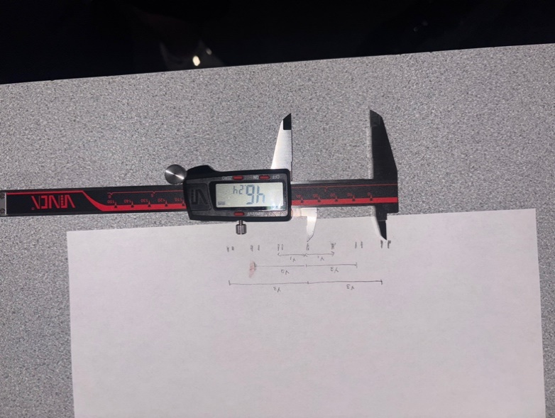 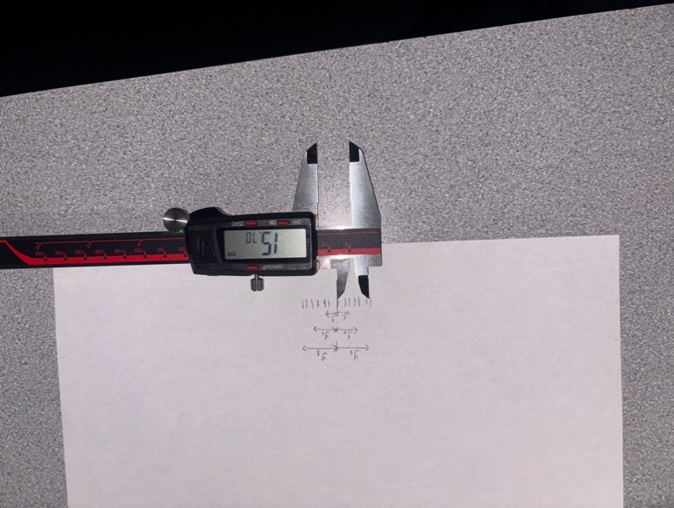 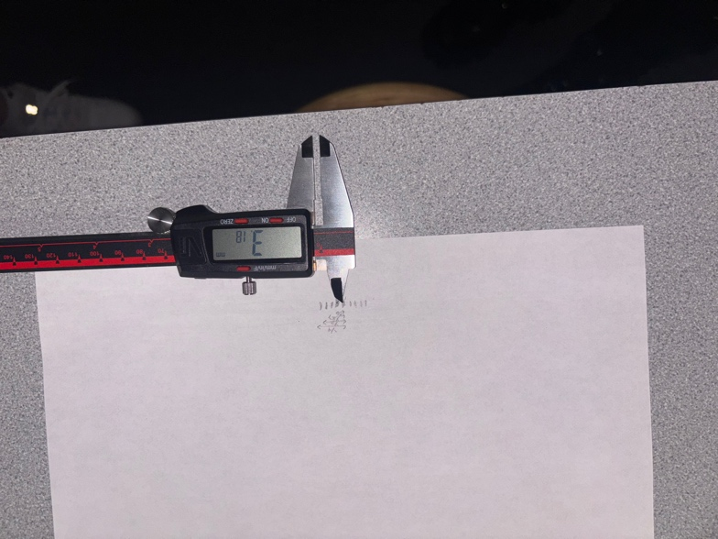 These three pictures show the measurements in all parts for part A using the lab caliper. Here, we marked the centers of four diffraction minima on each side of the central maximum. The first image is in relation to part A1 and represents the distance from the estimated central maximum to the estimated middle of the value where n is equal to -3. The measurement reading shown here is 46.14 mm. The uncertainty found here was 0.002 m. This part focused on the diffraction minima. The second picture, A2, shows our measurement for when n := -3 as well. This measurement showed a value of -0.0157 m with an uncertainty of 0.002 m. This part also focused on the diffraction pattern found on the sheet. The last picture shows our measurement, A3, for interference using the caliper. Here, we measured when n := 1 and that was found to be 0.00318 m with an uncertainty in position of 0.001 m. This part focused on the positions of the maxima of the interference pattern, unlike for parts A1 and A2.

Part B: Spectrometer

Initial data(Part B)

$All data in meters$
λ
 |  | Helium |  |  | Hydrogen
 |  | Cyan | Yellow | Magenta | Red | Green | Violet
 |  | 5.014E-07 | 5.875E-07 | 6.675E-07 | 6.563E-07 | 4.861E-07 | 0.00000041
$$Left, y_{−}$$
 |  | 0.00975 | 0.0115 | 0.014 | 0.01375 | 0.01 | 0.0085
R$ight, y_{+}$
 |  | 0.00975 | 0.0115 | 0.014 | 0.01375 | 0.01 | 0.0085
$y$= $\frac{y_{+}+{ y}_{−}}{2}$
 |  | 0.00975 | 0.0115 | 0.014 | 0.01375 | 0.01 | 0.0085
${∆y}_{fl}$
 |  | 0 | 0 | 0 | 0 | 0 | 0
${ Estimated ∆y}_{ins}$
 |  | 0.0005 | 0.0005 | 0.0005 | 0.0005 | 0.0005 | 0.0005
$Total ∆y=\sqrt{{∆y}_{fl}^{2}+{∆y}_{ins}^{2}}$
 |  | 0.0005 | 0.0005 | 0.0005 | 0.0005 | 0.0005 | 0.0005

$Meter stick to grating distance L_{B}$=
$$Expected value for the$$
$diffraction grating constant d_{g}$=
Δ$L_{B}$=
 |  |  | 0.03 | m
 |  |  | 0.003 | m |  |  | 1.6666666667E-06 | m

Comment about integrity of the raw data, whether you believe that some of the values were blunders, and mark corresponding data with pink color if such blunders were corrected or eliminated.
Our values collected here in part B seem to be very consistent and in line with the expected values. When performing this experiment, I highly doubt we experienced any blunders that would lead to completely unusable values. I do strongly believe we collected accurate values that will help us come up with accurate final results. With this, I don't think I will eliminate nor correct any data points here.

Best Estimate Values (Part B)

$d_{g,},m$ = λ $\sqrt{{\left(\frac{L_{B}}{y}\right)}^{2}+1}$
 |  | Helium |  |  | Hydrogen
 |  | Cyan | Yellow | Magenta | Red | Green | Violet
 |  | 1.6222018553E-06 | 1.6413548257E-06 | 1.5784415751E-06 | 1.5751651991E-06 | 1.5371831706E-06 | 1.5040210234E-06

Expand the formula for BEV with your own data, for one color. Highlight the value in the table.
𝑑_(𝑔,),𝑚 =  √((𝐿_𝐵/𝑦)^2+1) = (5.014 x 10^-7) x √(((0.03) / (0.00975))^2 + 1) = 1.6222 x 10^-6. I chose to expand the formula for BEV for the colour Cyan. The respective result is also highlighted in the table above in a pinkish colour.

Error Evaluation (Part B)

Components and total uncertainty are calculated via error propagation applied to the model function.

$All data in meters$
${d}_{g,L_{B}}$ =$\left|\frac{\text{}L_{B} }{y \sqrt{y^{2}+{L_{B}}^{2}}}∆L_{B}\right|$
 |  | Helium |  |  | Hydrogen
 |  | Cyan | Yellow | Magenta | Red | Green | Violet
 |  | 1.4672260987E-07 | 1.4310674189E-07 | 1.296165527E-07 | 1.3017147126E-07 | 1.3834648535E-07 | 1.3922539687E-07
${d}_{g,y}$ =$\left|\frac{L^{2}\text{} }{ y^{2}\sqrt{y^{2}+L^{2}}}\text{}y\right|$
 |  | 7.5242364033E-08 | 6.2220322561E-08 | 4.6291625965E-08 | 4.7335080457E-08 | 6.9173242677E-08 | 8.1897292275E-08
${d}_{g}$ =$\sqrt{{d}_{g,L}^{2}+{d}_{g,y}^{2}}$
 |  | 1.6489068376E-07 | 1.560477751E-07 | 1.3763489881E-07 | 1.38510728E-07 | 1.5467607285E-07 | 1.6152670867E-07

Expand the formula with your data ONLY for the uncertainty component that made the greatest contribution to the total uncertainty, for one color, and highlight the result in the template.
〖𝑑〗_(𝑔,𝐿_𝐵 ) =|("" 𝐿_𝐵 " " )/(𝑦 √(𝑦^2+〖𝐿_𝐵〗^2 )) ∆𝐿_𝐵 | = (5.014 x 10^-7) x (0.03) x (0.003) / (0.00975) / √((0.00975)^2 + (0.03)^2) = 1.46723 x 10^-7. For Cyan, the uncertainty component that made the greatest contribution to the total uncertainty was the uncertainty in position measurement. The respective result is highlighted in a pinkish colour in the table above.
Final Results |  | 10 | of 10 points
For part A, present the ranges of possible values and fractional uncertainties for the all parts. Use the convention specified in the “Representing Final Results” section of the “Error Analysis” manual. For part B, do same for each color.
Part A: Part A-1. Range of Possible Values: BEV +/- Uncertainty = (6.16 +/- 0.3) x 10^-7 m or (616 +/- 30) nm. Fractional Uncertainty: Uncertainty / BEV = 30 / 616 = 0.049 or 4.9%. Part A-2. Range of Possible Values: BEV +/- Uncertainty = (0.119 +/- 0.003) mm. Fractional Uncertainty: Uncertainty / BEV = 0.003 / 0.119 = 0.025 or 2.5%. Part A-3. Range of Possible Values: BEV +/- Uncertainty = (0.235 +/- 0.005) mm. Fractional Uncertainty: Uncertainty / BEV = 0.005 / 0.235 = 0.021 or 2.1%.
Part B: Expected Value: 1.66667 x 10^-6 m. Helium. Cyan. Range of Possible Values: BEV +/- Uncertainty = (1.62 +/- 0.17) x 10^-6 m. Fractional Uncertainty: Uncertainty / BEV = (0.17 x 10^-6 m) / (1.62 x 10^-6 m) = 0.105 or 10.5%. Yellow. Range of Possible Values: BEV +/- Uncertainty = (1.64 +/- 0.16) x 10^-6 m. Fractional Uncertainty: Uncertainty / BEV = (0.16 x 10^-6 m) / (1.64 x 10^-6 m) = 0.098 or 9.8%. Magnenta. Range of Possible Values: BEV +/- Uncertainty = (1.58 +/- 0.14) x 10^-6 m. Fractional Uncertainty: Uncertainty / BEV = (0.14 x 10^-6 m) / (1.58 x 10^-6 m) = 0.089 or 8.9%. Hydrogen. Red. Range of Possible Values: BEV +/- Uncertainty = (1.58 +/- 0.14) x 10^-6 m. Fractional Uncertainty: Uncertainty / BEV = (0.14 x 10^-6 m) / (1.58 x 10^-6 m) = 0.089 or 8.9%. Green. Range of Possible Values: BEV +/- Uncertainty = (1.54 +/- 0.16) x 10^-6 m. Fractional Uncertainty: Uncertainty / BEV = (0.16 x 10^-6 m) / (1.54 x 10^-6 m) = 0.104 or 10.4%. Violet. Range of Possible Values: BEV +/- Uncertainty = (1.50 +/- 0.16) x 10^-6 m. Fractional Uncertainty: Uncertainty / BEV = (0.16 x 10^-6 m) / (1.50 x 10^-6 m) = 0.107 or 10.7%.

Conclusion |  | 33 | of 35 points
PART A
Comparison Chart |  | 4 | of 4 points
Make two charts, for parts A1 and A3 separately, displaying the range of possible values for the results and compare them with the expected value that was recorded in your data.
Part A-1::Laser_Wavelength
Part A-3::Slit_Spacing
Above are the two comparison charts for both parts A1 and A3, respectively. The first chart represents the relationship between our experimental value of the laser wavelength and the expected value. The second chart represents the relationship between our experimental value of the seperation of the two slits and the expected value of such data. Each value is presented in units of meters.

Accuracy |  | 3 | of 3 points
Determine whether the results of Part A1 and A3 are in agreement with the expected values. Justify your statement by comparing their ranges of possible values.
Mathematically proving that the range of values in our experimental data overlap with that of our expected value, we have a range of (5.85, 6.47) x 10^-7 for the experiment and (6.40, 6.60) 10^-7. This clearly shows there are some real integer values that can be found in both ranges. This means there is an overlap. And thus we say our results for part A1 are accurate and in agreement with the expected values. For part A3, we can visually see the two possible ranges of values are very close together. We must prove or dispprove mathematically whether or not they are in agreement and overlap. Mathematically, our range of possible values found in this experiment is (2.30, 2.405) x 10^-4, and our expected value range is (2.40, 2.60) x 10^-4. This proves that the two ranges overlap, but barely. These are rounded numbers, but if you take the exact precise numbers, you will find that the two ranges overlap. This mean part A3 is also accurate and in agreement with the expected values. Conclusion: The results found in both parts, A1 and A3, are accurate and in agreement with the expected values.

Precision |  | 3 | of 3 points
State if the results is precise for each three parts, A1,A2, and A3, and mention why you think so.. Analyze which measurement contributed to the uncertainty most in each part.
For part A1, I do believe our results are precise given the fact that our computed fractional uncertainty is below that of the universally accepted bar for precision which is 10%. Our fractional uncertainty found in this part was 4.9%, nearly half of the universally accepted bar, and thus leads me to believe the results found here are very precise. This part's dominant measurement in total uncertainty was found to be minima position measurements which lead to a dominant source of slope uncertainty. This was also explained in the analysis section of this report. The errors in position measurements were the biggest source of uncertainty. For part A2, I also believe our results show high precision as our fractional uncertainty found here was 2.5%, which is also relatively low. The results found in this part are far more precise than that of the first part. The measurement that contributed to the uncertainty the most in this part is also position measurements, denoted as y_n. This led to a very high slope uncertainty which dominanted the total uncertainty as derived in the analysis section. The errors in position measurements contributed the most to the uncertainty. For part A3, our results are also very precise as our fractional uncertainty yielded a percentage of 2.1%. This is far below of the 10% bar for determining precision. The small fractional uncertainty leads me to believe we have very precise results. Once again, just as in the first two parts, errors found in the position measurements, maxima positions, contributed the most to the uncertainty. These errors also amplified the slope uncertainty which contributed the most to total uncertainty. So, for all three parts, position measurements were the dominant source of uncertainty.

Accuracy and precision analysis. Systematic errors. |  | 4 | of 5 points
The results may be inaccurate because the precision is unrealistically high (that is the fractional uncertainty is too low to be true), or because you incurred systematic errors during measurements. On the other hand, results could be accurate because the precision is very low and error bars are therefore very large. Analyze which situation is probable for your results. Do you think that some measurement uncertainties were underestimated or overestimated? Do you think that some uncertainties are not accounted for in the data processing? Do you think you have encountered systematic errors in your measurements? Speculate about possible sources of those and state if they manifested themselves in the experiment. Provide detailed analysis for each part.
I believe the situation most probable for our results is that the results are acurrate because the error bars are very large, indicating somewhat low precision, even though precision can be classified as moderate in this case. Our error bars are still very high though which leads to a more accurate result. For part A1, some uncertainties that were likely underestimated could have been the uncertainty in slit width, a, and possibly position measurements as described earlier, y_n. I say they were likely underestimated because the fringe edges couldn't have been very exact and was a bit blurry. It was an estimate in our calculation and thus leads me to believe uncertainty in position, y_n, was underestimated. Even though our results yielded accuracy, I also do believe we may have encountered some systematic errors as well. Systematic errors related to this part that could have played a role in our results and manifested themselves in this experiment could have been a laser misalignment and a slit width uncertainty error. The slit width may not have been exact on the frame. This would cause uncertainties in our calculations. The laser beam not being perfectly perpendicular to the slit may be the cause of an overestimated angle and underestimated wavelength. As for part A2, we also had reasonable precision and saw agreement in expected value. I do not believe any uncertainties were over- or underestimated in this part's data processing. I also do not believe any systematic errors could have arose in this part of the experiment as well, given our very accurate and precise results. There is no speculation of systematic errors being manifested into this part of the experiment. For part A3, one uncertainty component that I know was underestimated was the position measurements as in part A1. This is because maxima are broader than minima and this makes positioning harder. This uncertainty, therefore, would be considered underestimated. We also see accurate results, but some s

Questions |  | 3 | of 3 points
In Part A3 you measured small distances between eight interference maxima. That was the interference pattern. On the screen however you saw a diffraction pattern, larger. Where did it come from?
This actually came from the light bending through each individual slit. On the screen, we saw two patterns, the interference pattern which came from two slit spaced distance apart, and the diffraction pattern which came from each single slit of width, a. Every slit with a finite width, a, causes light to spread out and ultiimately diffract. In part A3, we only measured the interference pattern, but the diffraction pattern also played an important role in our visual calculations. They essentially determined the brightness of the fringes and cut them off past its minima, allowing us to see it better and make more accurate judgements on distance measurements.

PART B
Comparison Chart |  | 4 | of 4 points
Make a single comparison chart displaying the range of possible values for the diffraction constants dg calculated for six colors, as well as the expected value.
Part B::
The above comparison chart shows all the experimental values collected for the six colours, (cyan, yellow, magenta, red, green, and violet), where the first three colours were found using the helium lamp and the next three were found using the hydrogen lamp. This chart also includes the expected value, 1.66667 x 10^-6 m at the very end for comparison.

Accuracy |  | 3 | of 3 points
Determine whether the results is in agreement with the expected value. Justify your statement by comparing their ranges of possible values.
We see that, infact all of our coloured results overlap with the expected values and thus in agreement with it. The last colour, Violet, is very close to not being in agreement, but mathematically it does show an overlap with the expected value, so this is also in agreement. Mathematically proving each one of the Helium colours, we see that Cyan has a possible range of values from (1.45, 1.79) x 10^-6, Yellow has a range of (1.48, 1.80) x 10^-6, and Magenta has a range of (1.44, 1.72) x 10^-6. Here, we can mathematically prove that the expected value of 1.66 x 10^-6 falls within each one of these ranges. Now, for each of the Hydrogen colours, we have a range of possible values for Red being (1.44, 1.72) x 10^-6, Green being (1.38, 1.70) x 10^-6, and Violet being (1.34, 1.66) x 10^-6. Violet barely touches the expected value. Here, we also see the expected value of 1.66 x 10^-6 falling within the range of possible values for the colours found in the hydrogen lamp. Thus, we are allowed to say that each one of our diffraction constants, d_g, found in each of the colours, overlap with the expected value of 1.66 x 10^-7, and thus are accurate and in agreement with the expected value.

Precision |  | 3 | of 3 points
State if the results are precise and mention the reasons for your decision. Analyze which measurement contributed to the uncertainty most.
For Cyan in the Helium lamp, we are allowed to say our results are precise. Our fractional uncertainty was found to be 10.5%, and even though this is greater than the universally accepted bar for precision at 10%, for a manual spectroscopy experiment, this is considered to be of high precision. The 10.5% fractional uncertainty is considered to be low and thus leads us with with conclusions of high precision. The measurment that contributed to the uncertainty the most in this part was position measurements, denoted at y_n. This was the dominant measurement that contributed to uncertainty. For Yellow, it's the same as for Cyan in the sense that we see very high precision as our fractional uncertainty was found to be 9.8%. This is really low for spectroscopes. Therefore, I say the diffraction constant found here is also precise. The measurement that contributed the most to uncertainty was also the positioning measurement. This dominanted in the total uncertainty computation. For Magenta, our fractional uncertainty was found to be 8.9% which, again, is said to be very low in a world of spectroscopy and thus very precise. The low fractional uncertainty leads me to believe we have high precision. The measurement that contributed to uncertainty the most here was grating distance. This is because grating alignment was not perfectly perpendicular and led to much of the uncertainty calculation here. Also positioning measurement played an important role. But, grating distance dominanted in uncertainty. For Red in the Hydrogen lamp, we also see a very high precision as our computed fractional uncertainty was found to be 8.9%. This is, once again, very low for our experimental setup and thus leds us with high precision. The measurement that dominanted total uncertainty was also positioning measurements, y_n. For Green, we also have very high precision as our fractional uncertainty was found to be 10.4%. This is relatively low and thus is said to be very precise. The measurement

Accuracy and precision analysis. Systematic errors. |  | 4 | of 5 points
The results may be inaccurate because the precision is unrealistically high (that is the fractional uncertainty is too low to be true), or because you incurred systematic errors during measurements. On the other hand, results could be accurate because the precision is very low and error bars are therefore very large. Analyze which situation is probable for your results. Do you think that some measurement uncertainties were underestimated or overestimated? Do you think that some uncertainties are not accounted for in the data processing? Do you think you have encountered systematic errors in your measurements? Speculate about possible sources of those and state if they manifested themselves in the experiment. Provide detailed analysis.
The situation most probable for this part's results is that the results yield accuracy because we see that the error bars are relatively large, indicating low precision. The large error bars allow for our results to come within range of accuracy. Due to our precision analysis, I believe some uncertainties may have been underestimated such as the position measurements, as in A1 and A3, and grating distance uncertainty. For calculating position, there may have been more uncertainty components that were not used in our data processing since it was really hard to match the center of the spectral lines since some of the lines had blurred edges. The values we found in our data table were estimated. I do not believe we accounted for this uncertainty in position when computing final results and thus leads me to believe we underestimated it. Also meter stick uncertainty wasn't computed alongside the visual positioning measurements. So, in all, position uncertainty was clearly underestimated. As for grating distance, L, given the fact that grating wasn't perfectly perpendicular, our angle uncertainty may have not been accounted for. This would cause a skew in accurate data. This is one uncertainty that may have not been accounted for. Also, uncertainty in human judgement may have not been accounted for as well. Me and my partner could have had different judgements on where the spectral lines were and this would have been different values which would have led to different results. We could have chosen different centers for the spectral lines and this uncertainty in judgement was completely not accounted for in the data processing. This uncertainty would have been estimated to a finite number. I do believe we may have encountered systematic errors that could explain the trend of our data, even though we yielded accurate and precise results. One systematic error that may have been the reason for our BEVs being lower than the expected value could have been a grating misalignment

Questions |  | 2 | of 2 points
In analysis, the uncertainty due to the wavelength of each color was neglected. Why?
The uncertainty due to the wavelength of each colour is neglected because all of the other uncertainties and systematic errors found such as grating alignment and measurement errors in marking of the lines dominanted in total unceratinty, overshadowing the uncertainty in wavelength. We also know atomic emission wavelength's are known to be at +/- 0.1 nm which is a very small and a negligible error calculation. I do also believe other uncertainties were much larger than that of the wavelength's such as uncertainty of position measurments and grating distance, described above, and therefore allowed the uncertainty of wavelength to be negligible. One time we could use this calculation in our analysis section is when our lamps used in the experiment are of low-pressure sodium meaning they have broader emission lines or even when we are using non-standard light sources such as LED's. Our atomic emission wavelength's in these lamps were very small and thus allowed us to neglect the uncertainty due to the wavelength..

 | Comparison Charts
 | A-1
 |  | BEV | Uncertainty
 | Experimental Value | 6.16E-07 | 3.11E-08
 | Expected Value | 6.50E-07 | 1.00E-08

 | A-3
 |  | BEV | Uncertainty
 | Experimental Value | 0.000235096 | 5.44E-06
 | Expected Value | 0.00025 | 1.00E-05

 | Part B

 |  | BEV | Uncertainty
 | Cyan (He) | 1.62E-06 | 1.70E-07
 | Yellow (He) | 1.64E-06 | 1.60E-07
 | Magenta (He) | 1.58E-06 | 1.40E-07
 | Red (H) | 1.58E-06 | 1.40E-07
 | Green (H) | 1.54E-06 | 1.60E-07
 | Violet (H) | 1.50E-06 | 1.60E-07
 | Expected Value | 1.67E-06 | 0

